Sheet1
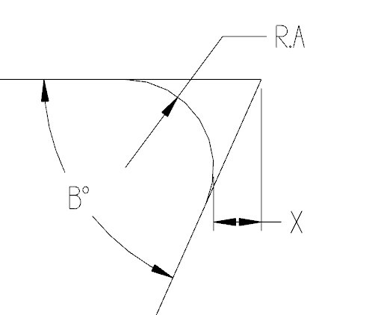

TO FIND "X" INSERT ANGLE & RADIUS

 | ANGLE B° | RAD. "A" | DISTANCE X
 | 66 | 0.0150 | 0.00810

